Most Common User
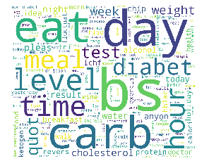
Most Common User ID | 205783
Freq | 82/8169 |  | Sentiment Analysis
Top Keywords
 |  |  |  | neg | neu | pos | compound
keyword | cnt |  | sum | 11.91 | 154.35 | 10.733 | -6.3227
bs (Blood Sugar) | 60
day | 42
carb | 34
eat | 33
level | 26
diabetes | 26
time | 23
hour | 21
meal | 19
test | 19

Top Keywords | bs | day | carb | eat | level | diabetes | time | hour | meal | test
sentiment polarity
neg | 3.027 | 7.136 | 4.122 | 6.685 | 4.021 | 1.492 | 5.533 | 3.037 | 3.45 | 2.356
neu | 48.287 | 94.228 | 51.567 | 78.675 | 52.908 | 13.708 | 60.352 | 42.067 | 46.219 | 49.53
pos | 4.685 | 7.637 | 4.308 | 5.639 | 4.073 | 0.798 | 4.114 | 1.897 | 3.328 | 2.114
compound | 2.4078 | -0.7698 | -2.6974 | -5.0038 | 0.6145 | -2.4109 | -5.2854 | -3.0938 | -2.0956 | -3.1187

